Sheet1
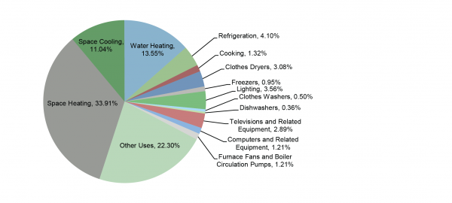
End use | percentage
Space heating | 33.91
Space cooling | 11.04
Water heating | 13.55
Refrigeration | 4.1
Cooking | 1.32
Clothes dryers | 3.08
Freezers | 0.95
Lighting | 3.56
Clothes washers | 0.5
Dishwashers | 0.36
TVs and related equipment | 2.89
Furnace fans and boiler circulation pumps | 1.21
Other uses | 22.3

 | 98.77

 |  |  | https://css.umich.edu/factsheets/residential-buildings-factsheet

 |  | Cite as: | Center for Sustainable Systems, University of Michigan. 2020. "Residential Buildings Factsheet." Pub. No. CSS01-08.

